Sheet1
other_services_info_cost.txt | other_services_additional_information.txt

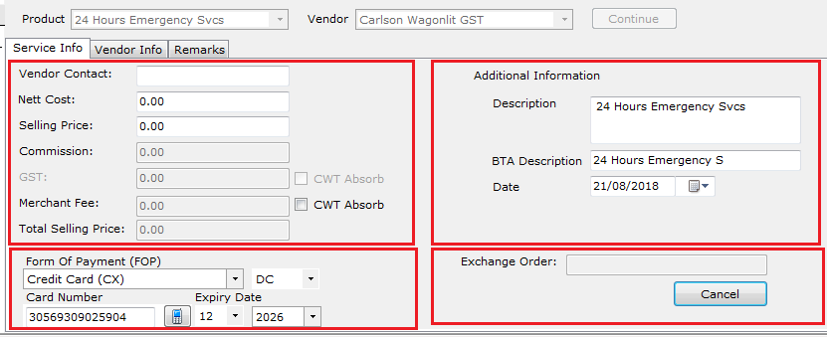
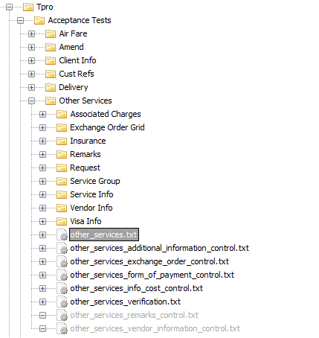

other_services_form_of_payment.txt |  | other_services_exchange_order.txt

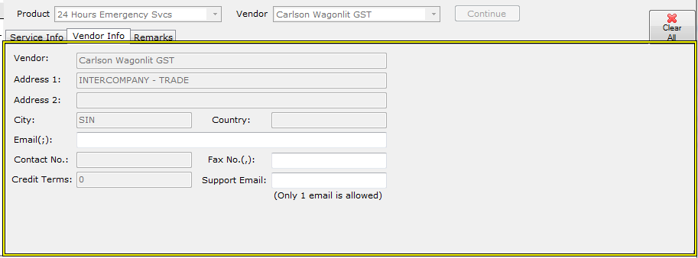

 |  |  | other_services_remarks_control.txt

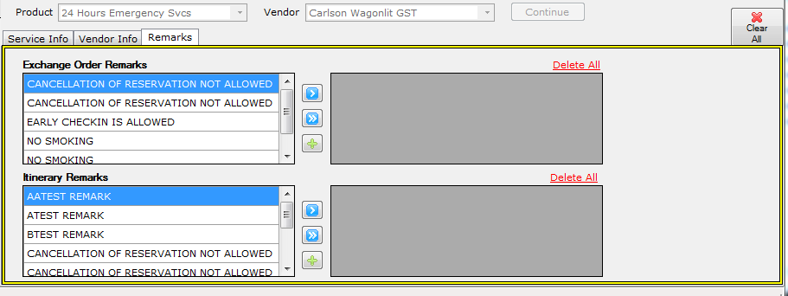

 |  |  |  | other_services_vendor_information_control.txt

